Histograms
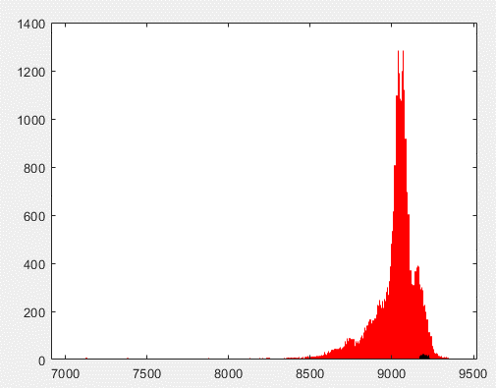

IRST004
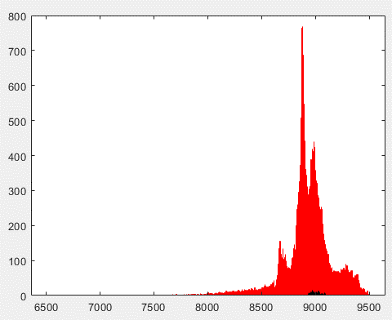
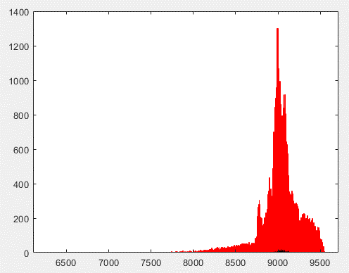
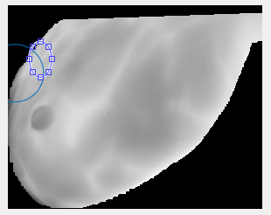
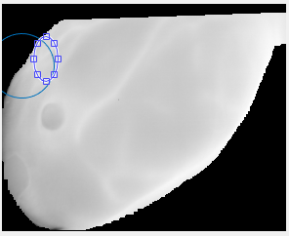

 |  | n = 15
 | n = 2

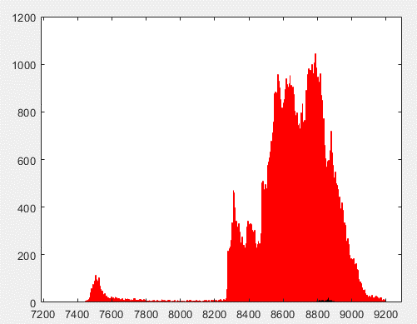
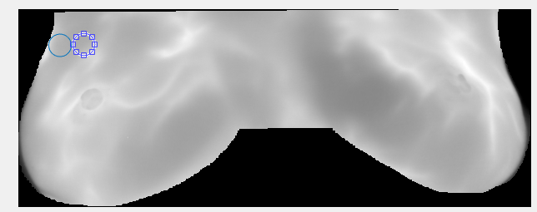
IRST005
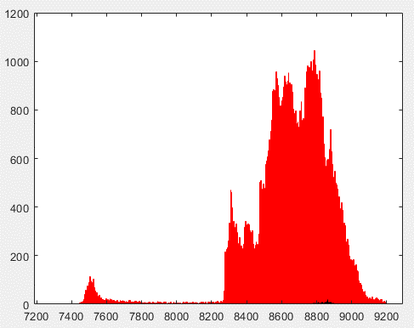
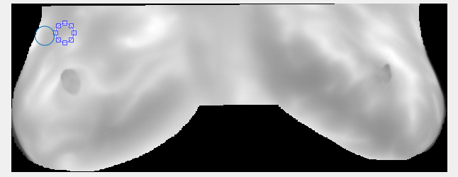

 | n = 15 |  | n = 2

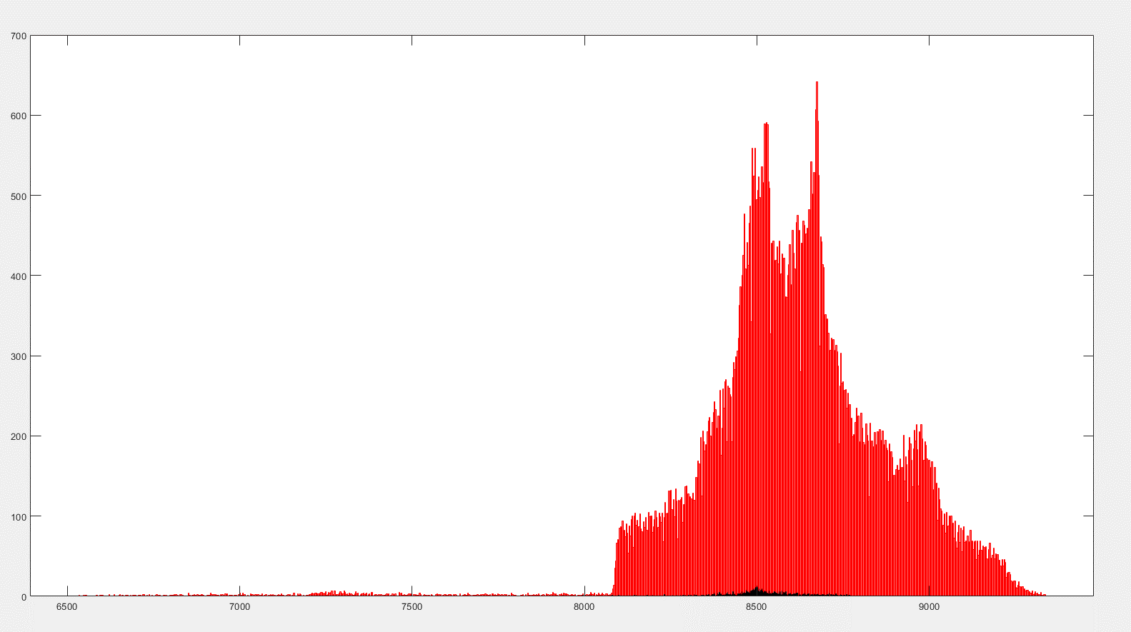
IRST008

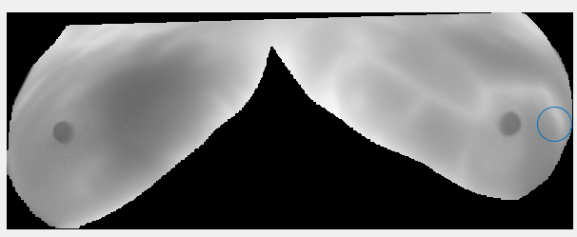

IRST011

IRST004
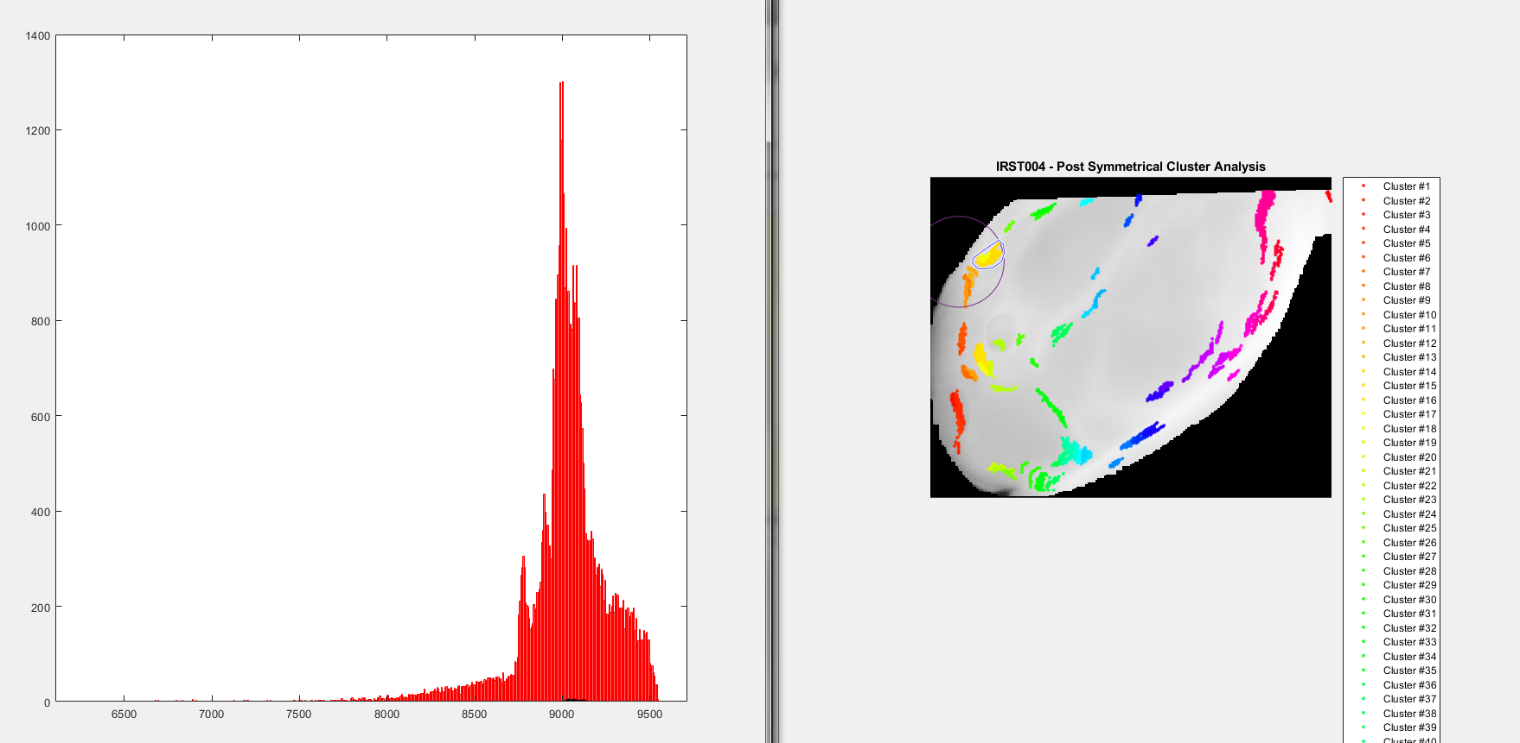

Epsilon: 5.200000e+00
minPts: 10
Scaling Factor: .75

IRST005
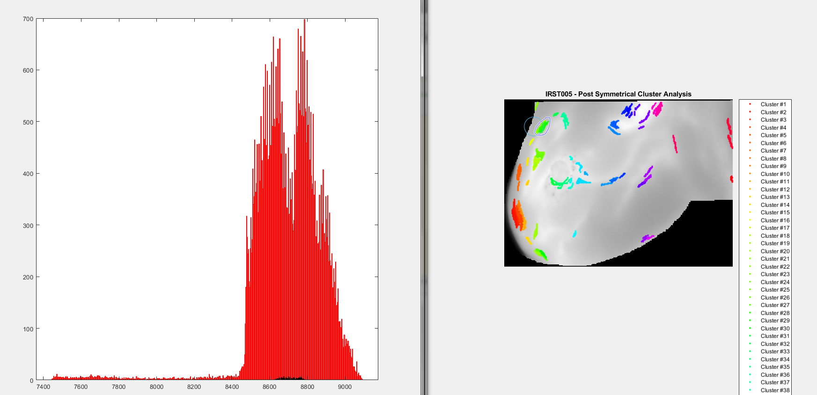

Epsilon: 5.250000e+00
minPts: 10
Scaling Factor: .75

IRST008
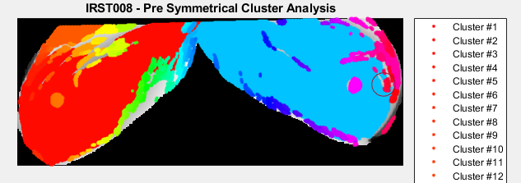
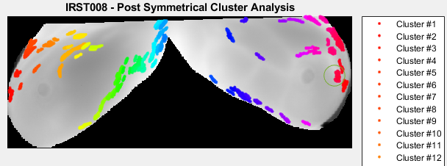
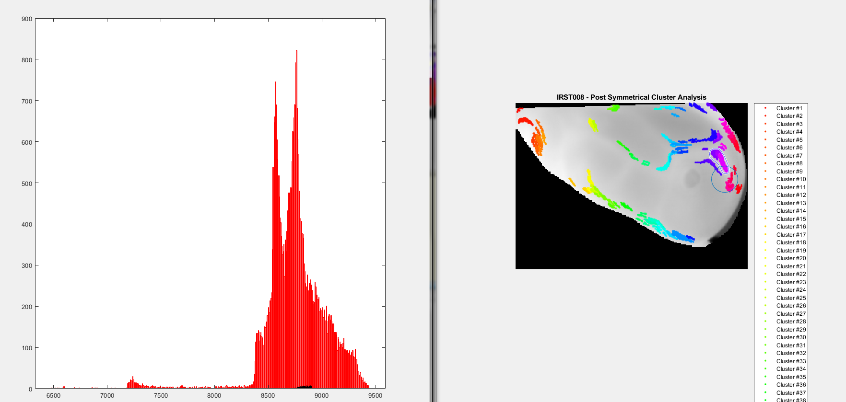
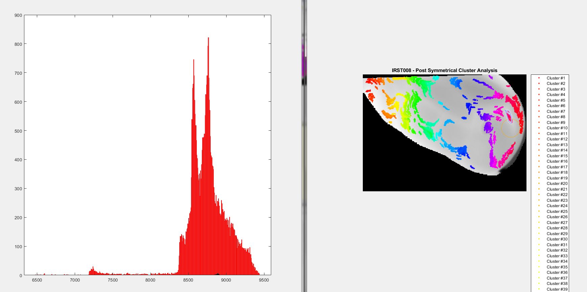
Epsilon = 5.15
minPts = 11
Scaling factor = 0.45

IRST011
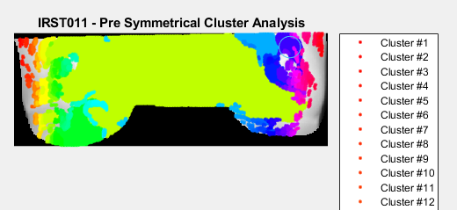
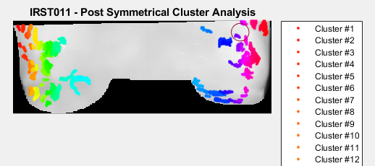
Epsilon: 5, minPts: 10 | minPts: 10, Scaling factor: .5 | Epsilon = 5.25 | Epsilon = 5.15 | Epsilon = 5.25
 |  | minPts = 10 | minPts = 11 | minPts = 11
s = 0.05 | Epsilon = 4.75 | Scaling factor = 0.6 | Scaling factor = 0.5 | Scaling factor = 0.45
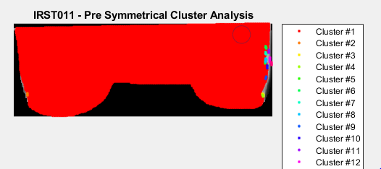
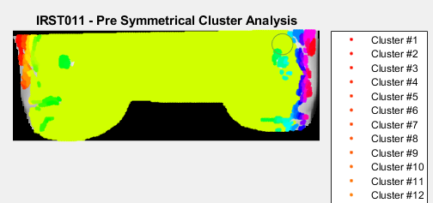
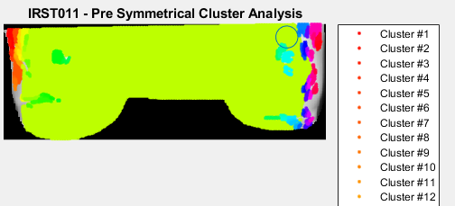
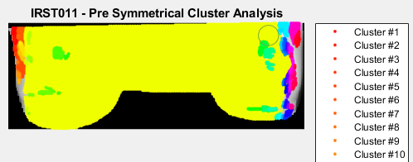
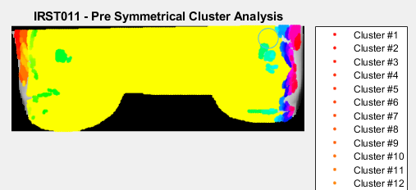

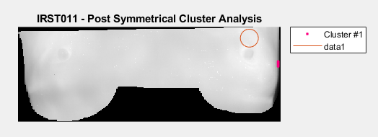
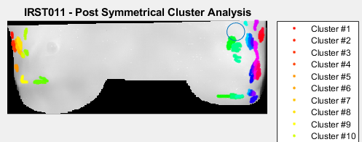
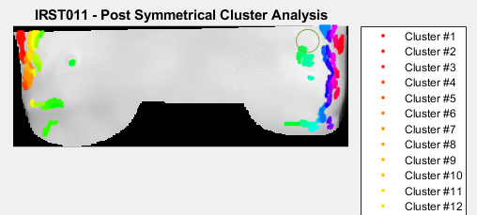
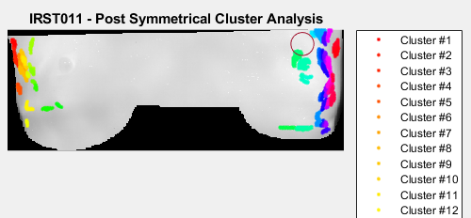
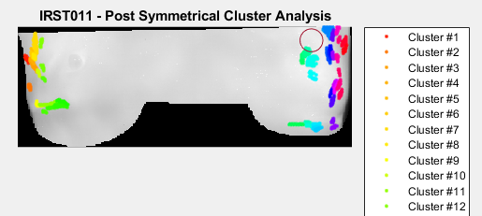

s = 0.1
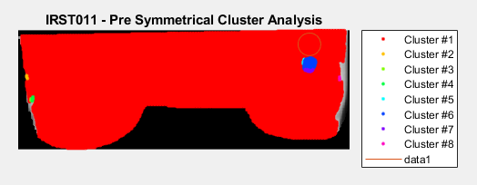
 |  |  |  | Epsilon = 5.3
 |  |  |  | minPts = 10
 | Epsilon = 4.9 |  |  | Scaling factor = 0.45
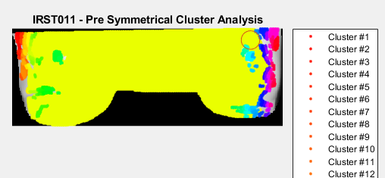
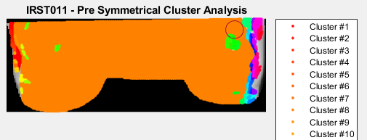
 |  | Epsilon = 5.25 | Epsilon = 5.15
 |  | minPts = 10 | minPts = 11
 |  | Scaling factor = 0.75 | Scaling factor = 0.7
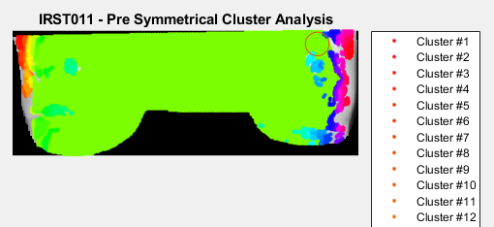
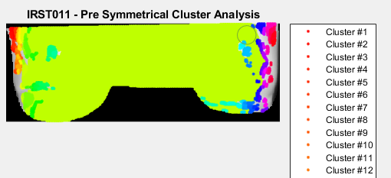

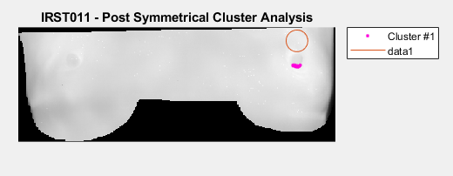

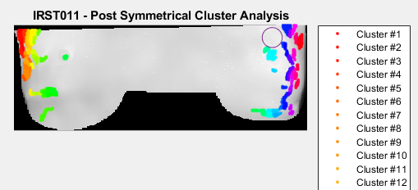
 |  |  |  | Epsilon = 5.3
 |  |  |  | minPts = 11
 |  |  |  | Scaling factor = 2
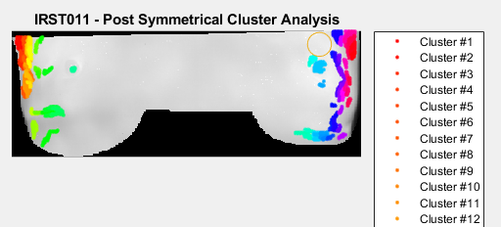
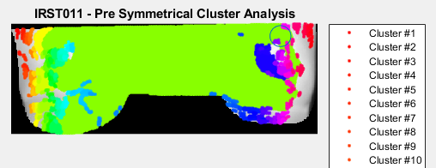
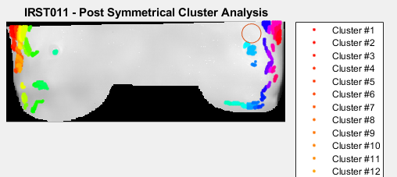
s = 0.2
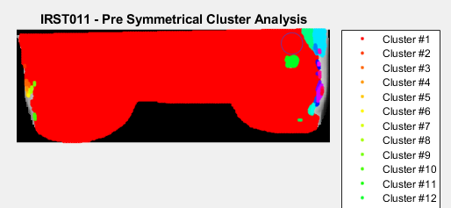

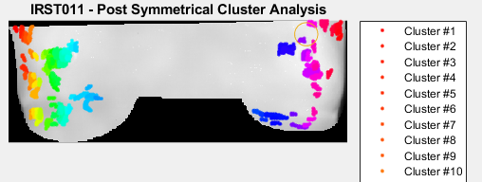

 | Epsilon = 5
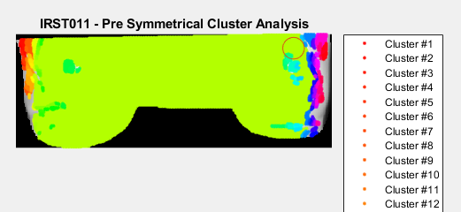
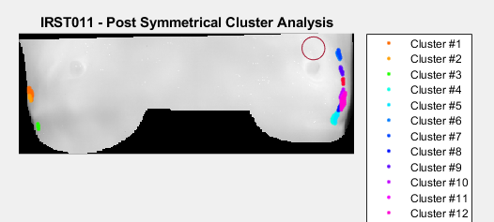
 |  |  | Epsilon = 5.15
 |  | Epsilon = 4.75 | minPts = 12
 |  | minPts = 10 | Scaling factor = 0.75
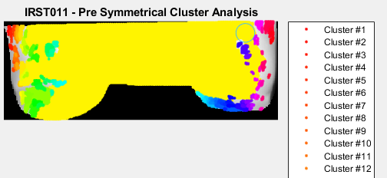
 |  | Scaling factor = 0.75
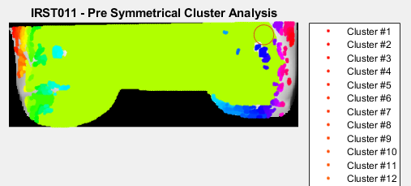

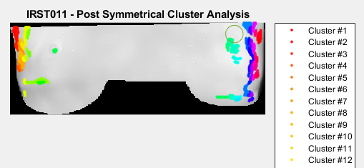

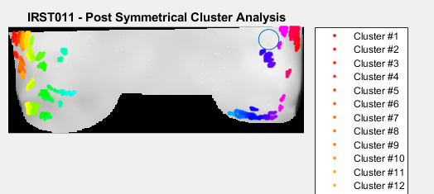
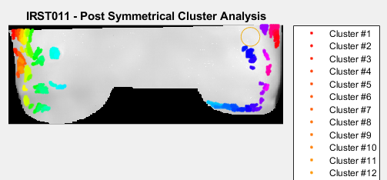
s = 0.333
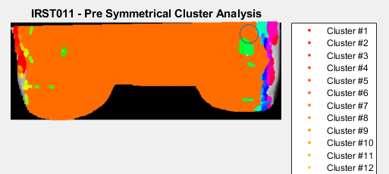

 | Epsilon = 5.1
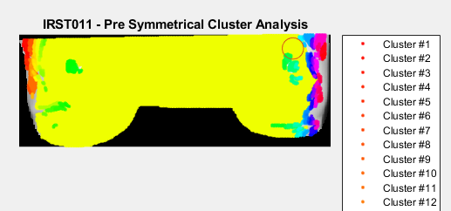


 |  |  | Epsilon = 5.15
 |  |  | minPts = 10
 |  | Epsilon = 5.25 | Scaling factor = 0.75

 |  | minPts = 11
 |  | Scaling factor = 0.6




s = 0.5




 | Epsilon = 5.25




 |  | Epsilon = 5.1 | Epsilon = 5.25
 |  | minPts = 12 | minPts = 10
 |  | Scaling factor = 0.75 | Scaling factor = 0.8





s = 0.6







 |  |  | Epsilon = 5.15
 |  | Epsilon = 4.75 | minPts = 10
 |  | minPts = 12 | Scaling factor = 0.4

 |  | Scaling factor = 0.6


s = 0.75





 |  |  | Epsilon = 5.15
 |  |  | minPts = 10
 |  |  | Scaling factor = 0.45






s = 1




s = 2

